Sheet1
Model No. : | S900
Feature : | 15“ Android POS Terminal
Pictures |  | Details
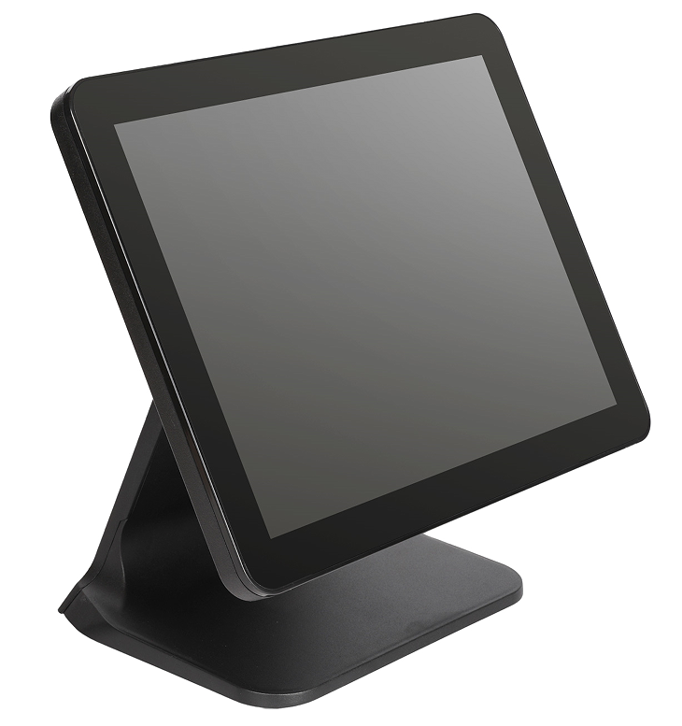 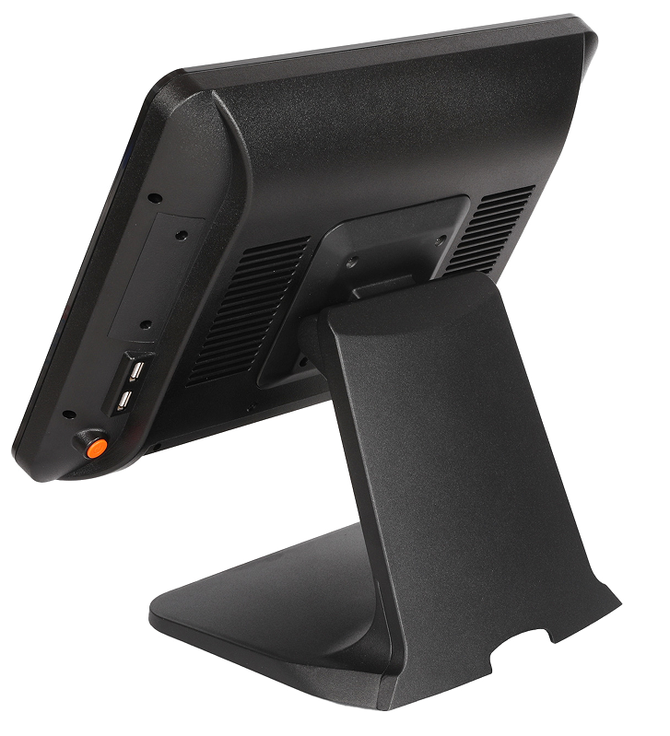 | Display | 15" Industrial Grade A LED (4:3)
 | Resolution : | 1024 x 768 Pixels
 | Brightness : | 400 CD/㎡
 | CPU : | RK3568 Coretex A17 Quad-core 1.8GHz
 | Memory : | DDR3-2G/4GB(Optional)
 | Hard Disk : | 8GB Flash ( Support TF Card .Max 32GB )
 | I/O : | USB x 6 ; RJ45 x 1 ; COM x 1 ;RJ11 x 1; MIC x 1; Audio x 2 ,TF Slot x 1 , (COM x 2 Optional)
 | Touchscreen : | 10-Ponits Capacitive Touchscreen
 | Customer Display : | VFD / 9.7" Customer display ( Optional )
 | OS support : | Android 11.0
 | WIFI : | IEEE 802.11 b/g/n
 | Power Supply : | Power Supply(100-260VAC 50-60Hz) 12V 5A
 | Color : | Black/White Optional
 | Material of Housing | Plastic case+Aluminium alloy base
 | Accessories: (Optional) | Cash Drawer
 |  | Thermal Printer (58 mm/80 mm)
 |  | Barcode Scanner Black (one-dimention/two-dimention)
 |  | Card Reader (Integrated MSR)
 |  | Bluetooth /3G (Optional)
 | Packing : | Single Box with Inner Foam
 | Service : | Generic products/OEM Service offer
 | Warranty : | 24 Months Long Warranty , Three Years Free maintenance

Main Features (POS All in one system : T660A )
1. Industrial Grade A LCD Display (LED Backlight) , High definition ,Brightness :400 Nits
2. RK3568 Coretex A17 Quad-core ,1.8GHz
3. Stable Power Supply DC12V 5V Passed global UL certificate
4. Aluminum Alloy Housing ,High-end Needs ,Good heat dissipation,and fast heat emission
5. Flat free-bezel 10 Point Capacitive Touchsreen

